Sheet1
State | No. of Plates | Population | Ratio | Top 5 States by No. of Plates | Top 5 States by Population | States with Highest No. Plates per Population
CA | 138 | 38965193 | 0.004 | Maryland | California | Montana
TX | 476 | 30503301 | 0.016 | Texas | Texas | Maryland
FL | 259 | 22610726 | 0.011 | Pennsylvannia | Florida | Vermont
NY | 184 | 19571216 | 0.009 | Virginia | New York | Deleware
PA | 425 | 12961683 | 0.033 | Georgia | Pennsylvannia | Mississippi
IL | 168 | 12549689 | 0.013
OH | 271 | 11785935 | 0.023
GA | 315 | 11029227 | 0.029
NC | 210 | 10835491 | 0.019
MI | 73 | 10037261 | 0.007
Population Per State
NJ | 108 | 9290841 | 0.012
VA | 335 | 8715698 | 0.038
WA | 67 | 7812880 | 0.009
AZ | 99 | 7431344 | 0.013
TN | 190 | 7126489 | 0.027
MA | 65 | 7001399 | 0.009
IN | 142 | 6862199 | 0.021
MO | 161 | 6196156 | 0.026
MD | 989 | 6180253 | 0.160
WI | 128 | 5,910,955 | 0.022
CO | 313 | 5,877,610 | 0.053
MN | 112 | 5,737,915 | 0.020
SC | 222 | 5,373,555 | 0.041
AL | 197 | 5,108,468 | 0.039
LA | 220 | 4,573,749 | 0.048
KY | 153 | 4,526,154 | 0.034
OR | 55 | 4,233,358 | 0.013
OK | 298 | 4,053,824 | 0.074
CT | 66 | 3,617,176 | 0.018
UT | 83 | 3,417,734 | 0.024
IA | 81 | 3,207,004 | 0.025
NV | 67 | 3,194,176 | 0.021
AR | 140 | 3,067,732 | 0.046
KS | 88 | 2,940,546 | 0.030
MS | 291 | 2,939,690 | 0.099
NM | 55 | 2,114,371 | 0.026
NE | 44 | 1,978,379 | 0.022
ID | 62 | 1,964,726 | 0.032
WV | 109 | 1,770,071 | 0.062
HI | 14 | 1,435,138 | 0.010
NH | 48 | 1,402,054 | 0.034
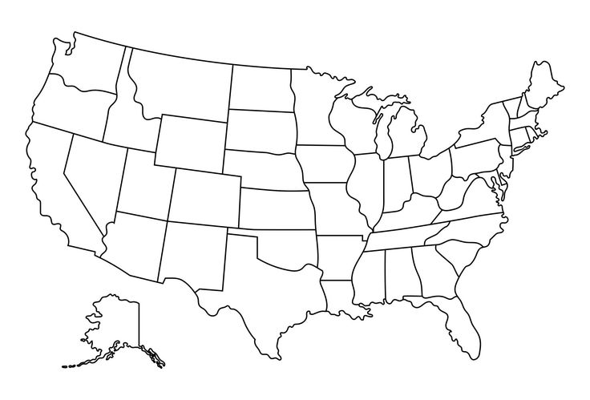
States with Highest No. Plates per Population
ME | 49 | 1,395,722 | 0.035
MT | 223 | 1,132,812 | 0.197
RI | 47 | 1,095,962 | 0.043
1
DE | 140 | 1,031,890 | 0.136
SD | 79 | 919,318 | 0.086
3
ND | 47 | 783,926 | 0.060
AK | 44 | 733,406 | 0.060
DC | 47 | 678,972 | 0.069
4
VT | 98 | 647,464 | 0.151
WY | 36 | 584,057 | 0.062
2

5

